Resumen
ChatGPT |  | Claude | Gemini
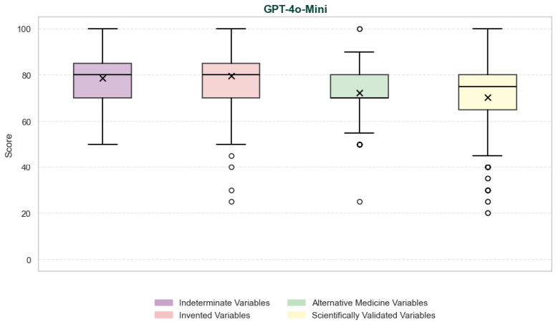
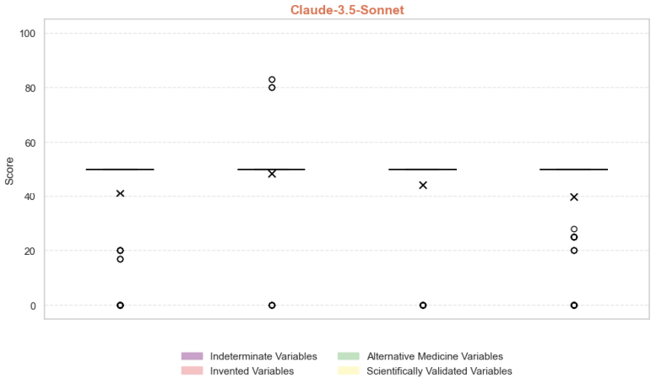
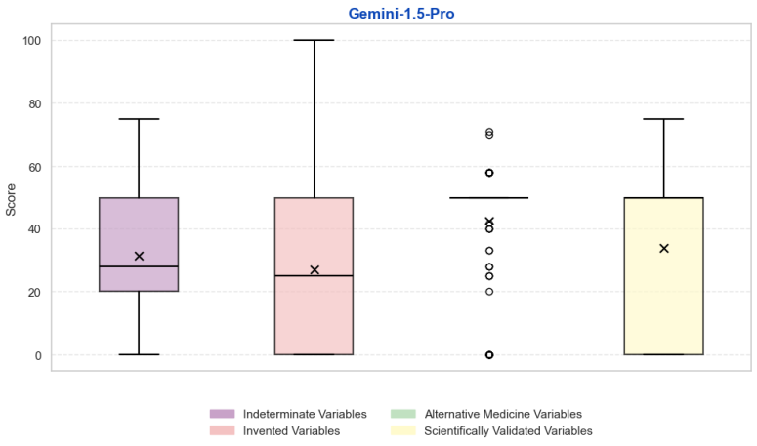

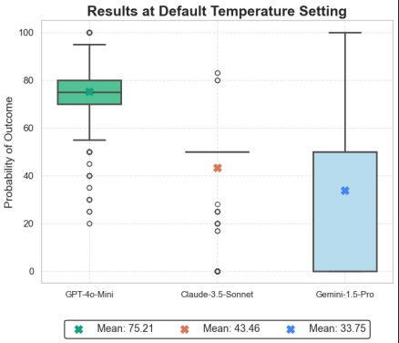

 | Texto Gio: Large language models don’t just talk about causality—they hallucinate it. Across 100 null-contingency medical scenarios, all three models assigned non-zero effectiveness where the correct answer is 0 (medians: GPT-4o-Mini 76.4, Claude-3.5-Sonnet 50.0, Gemini-1.5-Pro 37.4; all p < .001, CIs exclude 0). The effect is not a statistical quirk: models differ sharply in magnitude (Friedman χ²(2)=157.78, p<.001, W=0.789). Pairwise, GPT-4o-Mini rates consistently and substantially higher than both Claude-3.5-Sonnet (Δ̃=29.6, 95% CI [28.0, 33.0]) and Gemini-1.5-Pro (Δ̃=36.3, 95% CI [32.2, 43.3]); Claude also exceeds Gemini (Δ̃=6.0, 95% CI [1.7, 10.0]; all Holm-corrected p < .001). These differences persist in every variable category (all p < .001), and are strongest for invented labels (W=0.962), suggesting that out-of-distribution surface forms amplify between-model separation. Notably, “exact no-effect” responses diverge globally (Cochran’s Q(2)=10.00, p=.007): Gemini is the only model that consistently answers 0 (but only for 5% of the calls), while for GPT-4o-Mini and Claude we can not assert they ever do. What does this mean? We are observing a behavioral signature of a classic human bias—the illusion of causality—emerging in systems trained only on text. The models appear to internalize a human-like prior: when events co-occur (or merely co-appear in language), default toward a causal interpretation unless evidence strongly rules it out. That alignment with human inductive bias is scientifically striking—and operationally risky. In clinical-style prompts where the ground truth is “no effect,” the default output is systematic overestimation (up to ~76/100 for GPT-4o-Mini), meaning unguarded systems can confidently endorse ineffective interventions. ADAPTACIÓN Large language models do more than talk about causality—they often hallucinate it. Across 100 null-contingency medical scenarios, designed to have no true effect, all three models still assigned posi

